Issue Sheet
Issue Sheet |  |  |  |  |  |  |  |  |  |  |  |  |  |  |  | Rev.1.0

r | Control Information

 |  | Issue No. |  | TIP | I | A | Type |  |  | Request |  | Status
 |  | Creation Date |  | 2018-03-12 |  |  | Due Date |  |  | 2018-03-15 |  | Close Date
 |  | Priority |  | High |  |  | System |  |  | EBS |  | Application Module

r | Inquiry Information

 |  | [TIP ENDUSER/TIPISD/ME-Sui] |  |  |  |  |  | [TIPISD/ME-Sui] |  |  |  |  | [ME-Sui]
 |  |  | Request | Approval |  |  |  |  | Registration |  | Approval |  |  | Reception | Assignment
 |  | Dept. | TIP-LOD | TIP-WHSE1 |  |  |  | Dept. |  |  |  |  | Dept.
 |  | Name | J. NOLASCO | C. FORTEZA |  |  |  | Name |  |  |  |  | Name
 |  | Date | 2018-03-12 | 2017-03-12 |  |  |  | Date |  |  |  |  | Date

 |  | Issue Category |  | Operation
 |  | Title |  | PRAS oracle EBS Printer Registration
 |  | Issue |  | Background of Issue encountered / request
Currently we have only 1 printer used for Indirect parts and HPC . We need a back-up printer in printing RT.

 |  | Reason |  | Request for PRAS oracle EBS Printer registration

 |  | Detail Attachment |  |  |  |  | Link to Attachment Sheet

r | Investigation Information

 |  | [TIPISD/ME-Sui] |  |  |  |  |  | [TIPISD/ME-Sui] |  |  |  |  | [TIP ENDUSER]
 |  |  | Investigation | Approval |  |  |  |  | Confirmation |  | Approval |  |  | Confirmation | Approval
 |  | Dept. |  |  |  |  |  | Dept. |  |  |  |  | Dept.
 |  | Name |  |  |  |  |  | Name |  |  |  |  | Name
 |  | Date |  |  |  |  |  | Date |  |  |  |  | Date

 |  | Cause Category
 |  | Cause

 |  | Workaround and Countermeasure

 |  | Detail Attachement |  |  |  |  | Link to Attachment Sheet

r | Actual Operation Information
 |  | [TIPISD/ME-Sui] |  |  |  |  |  | [TIPISD/ME-Sui] |  |  |  |  | [TIP ENDUSER]
 |  |  | Operation | Approval |  |  |  |  | Confirmation |  | Approval |  |  | Confirmation | Approval
 |  | Dept. |  |  |  |  |  | Dept. |  |  |  |  | Dept.
 |  | Name |  |  |  |  |  | Name |  |  |  |  | Name
 |  | Date |  |  |  |  |  | Date |  |  |  |  | Date

 |  | Actual Operation

 |  | Evidence Attachment |  |  |  |  | Link to Attachment Sheet

Helpdesk Request
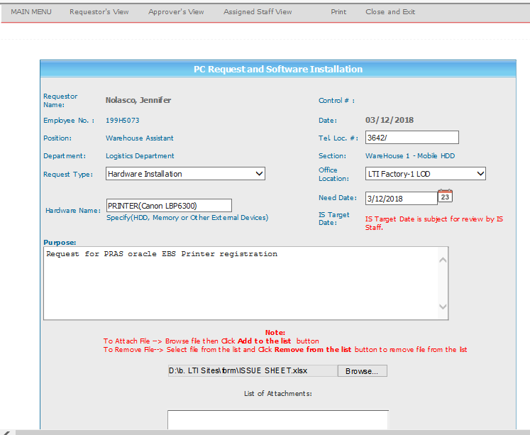
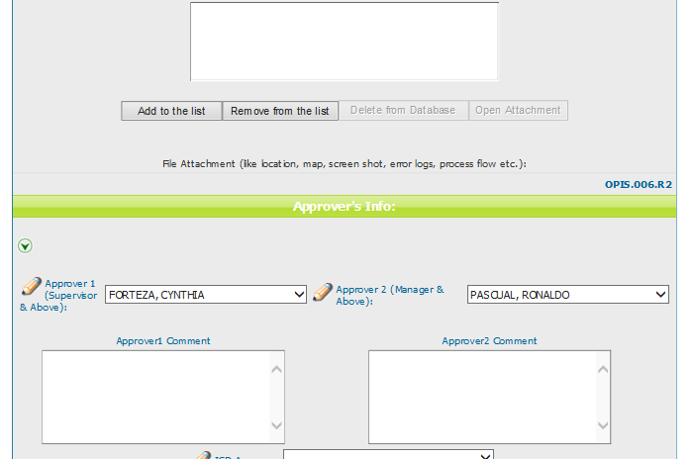
Helpdesk Request

